Planilha1
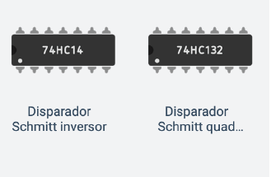

74HC14 | Schmitt Inversor = | R$ 1.51 | 7 segment Display = |  | R$ 2.50

74HC132 | Schmt Quad NAND = | R$ 2.03

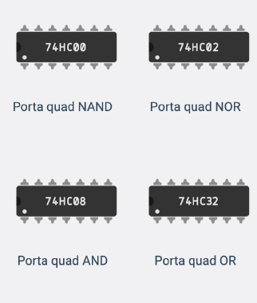

74HC00 | Quad Nand = | R$ 1.90 | 74HC74 | FlipFlop Jk duplo = | R$ 2.00

74HC02 | Quad Nor = | R$ 1.90

74HC08 | Quad And = | R$ 2.52

74HC32 | Quad Or = | R$ 1.52 | Botão (10unidades) = |  | R$ 3.30

74HC74 | Flip-flop D Duplo = | R$ 8.65

74HC93 | Contador 4 bits = | R$ 3.86

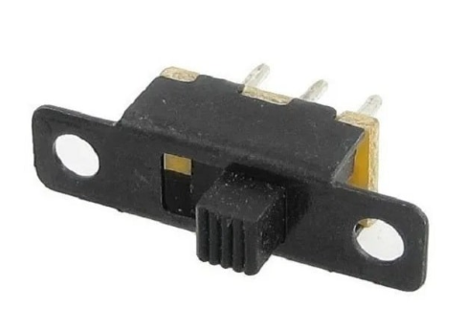
CD4511 | Decod. 7 seg = | R$ 3.71

74HC04 | Inversor Hexd = | R$ 1.71 | Chave ON/OFF = |  | R$ 1.40

